NMS graphs
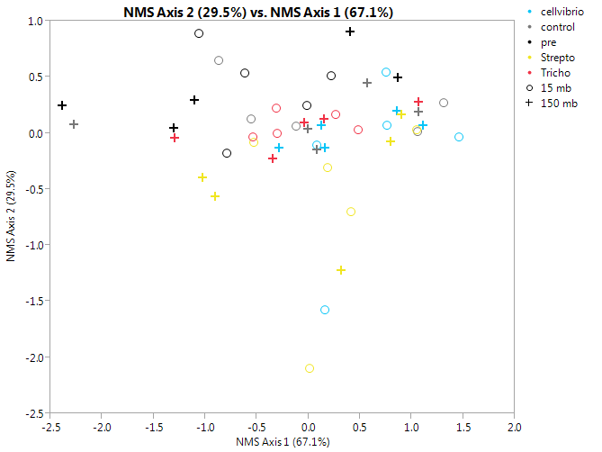
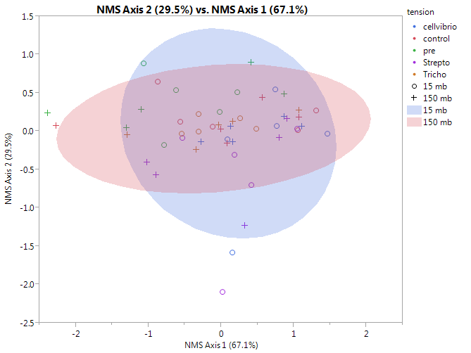
sample | Core | Pre/post Incubation | tension | inoculant | NMS Axis 1 (67.1%) | NMS Axis 2 (29.5%)
11A | 11 | post-incubation | 15 mb | cellvibrio | 0.74859 | 0.54348
13A | 13 | post-incubation | 15 mb | cellvibrio | 1.46167 | -0.03426
26A | 26 | post-incubation | 15 mb | cellvibrio | 0.76216 | 0.0724
34A | 34 | post-incubation | 15 mb | cellvibrio | 0.08548 | -0.10471
52A | 52 | post-incubation | 15 mb | cellvibrio | 0.15743 | -1.58002
11C | 11 | post-incubation | 150 mb | cellvibrio | 0.85932 | 0.1962
13C | 13 | post-incubation | 150 mb | cellvibrio | 1.10935 | 0.06856
26C | 26 | post-incubation | 150 mb | cellvibrio | 0.15946 | -0.12888
34C | 34 | post-incubation | 150 mb | cellvibrio | 0.1284 | 0.06821
52C | 52 | post-incubation | 150 mb | cellvibrio | -0.28406 | -0.13445
11A | 11 | post-incubation | 15 mb | control | 1.05857 | 0.01224
13A | 13 | post-incubation | 15 mb | control | -0.87035 | 0.64388
26A | 26 | post-incubation | 15 mb | control | 1.31219 | 0.27186
34A | 34 | post-incubation | 15 mb | control | -0.11577 | 0.05885
52A | 52 | post-incubation | 15 mb | control | -0.55782 | 0.127
11C | 11 | post-incubation | 150 mb | control | 0.5664 | 0.44543
13C | 13 | post-incubation | 150 mb | control | 1.06576 | 0.19139
26C | 26 | post-incubation | 150 mb | control | 0.07771 | -0.14852
34C | 34 | post-incubation | 150 mb | control | -0.00709 | 0.03468
52C | 52 | post-incubation | 150 mb | control | -2.27295 | 0.08077
11A | 11 | pre-incubation | 15 mb | pre | -0.61564 | 0.53543
13A | 13 | pre-incubation | 15 mb | pre | -0.01769 | 0.24825
26A | 26 | pre-incubation | 15 mb | pre | 0.22469 | 0.5068
34A | 34 | pre-incubation | 15 mb | pre | -0.78883 | -0.18106
52A | 52 | pre-incubation | 15 mb | pre | -1.06268 | 0.8884
11C | 11 | pre-incubation | 150 mb | pre | 0.40755 | 0.9014
13C | 13 | pre-incubation | 150 mb | pre | 0.86255 | 0.49045
26C | 26 | pre-incubation | 150 mb | pre | -1.10355 | 0.29004
34C | 34 | pre-incubation | 150 mb | pre | -1.30772 | 0.04754
52C | 52 | pre-incubation | 150 mb | pre | -2.3904 | 0.24551
11A | 11 | post-incubation | 15 mb | Strepto | 0.01544 | -2.09846
13A | 13 | post-incubation | 15 mb | Strepto | 1.04718 | 0.03266
26A | 26 | post-incubation | 15 mb | Strepto | 0.18614 | -0.30919
34A | 34 | post-incubation | 15 mb | Strepto | -0.53125 | -0.083
52A | 52 | post-incubation | 15 mb | Strepto | 0.41379 | -0.70079
11C | 11 | post-incubation | 150 mb | Strepto | 0.90454 | 0.16817
13C | 13 | post-incubation | 150 mb | Strepto | 0.79925 | -0.07942
26C | 26 | post-incubation | 150 mb | Strepto | 0.31916 | -1.22415
34C | 34 | post-incubation | 150 mb | Strepto | -0.90102 | -0.56847
52C | 52 | post-incubation | 150 mb | Strepto | -1.0293 | -0.39862
11A | 11 | post-incubation | 15 mb | Tricho | -0.3111 | 0.22465
13A | 13 | post-incubation | 15 mb | Tricho | -0.53844 | -0.0357
26A | 26 | post-incubation | 15 mb | Tricho | 0.48368 | 0.03041
34A | 34 | post-incubation | 15 mb | Tricho | -0.30642 | -0.00729
52A | 52 | post-incubation | 15 mb | Tricho | 0.26247 | 0.16871
11C | 11 | post-incubation | 150 mb | Tricho | 1.06596 | 0.28098
13C | 13 | post-incubation | 150 mb | Tricho | 0.15428 | 0.12846
26C | 26 | post-incubation | 150 mb | Tricho | -0.34853 | -0.23198
34C | 34 | post-incubation | 150 mb | Tricho | -0.04073 | 0.08958
52C | 52 | post-incubation | 150 mb | Tricho | -1.29784 | -0.04343
Lipid |  |  |  |  | -0.13427 | 0.05351
Unsatura |  |  |  |  | -0.07502 | -0.04704
Proteins |  |  |  |  | -0.33525 | -0.04618
Lignin |  |  |  |  | 0.06825 | -0.07835
carbohyd |  |  |  |  | 0.09162 | -0.19285
Amino su |  |  |  |  | -0.10933 | -0.24922
Tannins |  |  |  |  | 0.33009 | 0.0439
Condense |  |  |  |  | 0.26103 | 0.04865

Stress - minimum 8.870-

PCA on correlations
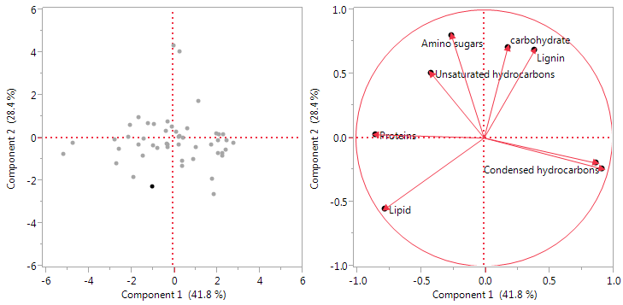
 |  |  |  |  |  |  |  |  |  |  |  |  | sample | Core | Pre/post Incubation | tension | inoculant | PC1 (41.8%) correlations | PC2 (28.4%) correlations
 |  |  |  |  |  |  |  |  |  |  |  |  | 11A | 11 | post-incubation | 15 mb | cellvibrio | -0.94043206 | -2.262903738
 |  |  |  |  |  |  |  |  |  |  |  |  | 13A | 13 | post-incubation | 15 mb | cellvibrio | 1.9254538348 | -2.622893553
 |  |  |  |  |  |  |  |  |  |  |  |  | 26A | 26 | post-incubation | 15 mb | cellvibrio | -0.058984878 | 0.504220657
 |  |  |  |  |  |  |  |  |  |  |  |  | 34A | 34 | post-incubation | 15 mb | cellvibrio | 1.0720707404 | -0.425058016
 |  |  |  |  |  |  |  |  |  |  |  |  | 52A | 52 | post-incubation | 15 mb | cellvibrio | 0.4251305646 | -1.308818322
 |  |  |  |  |  |  |  |  |  |  |  |  | 11C | 11 | post-incubation | 150 mb | cellvibrio | -2.646882317 | -1.1971925
 |  |  |  |  |  |  |  |  |  |  |  |  | 13C | 13 | post-incubation | 150 mb | cellvibrio | -2.077455175 | 0.0226945927
 |  |  |  |  |  |  |  |  |  |  |  |  | 26C | 26 | post-incubation | 150 mb | cellvibrio | -2.504717672 | -0.519394771
 |  |  |  |  |  |  |  |  |  |  |  |  | 34C | 34 | post-incubation | 150 mb | cellvibrio | -1.825738027 | -1.826264471
 |  |  |  |  |  |  |  |  |  |  |  |  | 52C | 52 | post-incubation | 150 mb | cellvibrio | -5.136102106 | -0.749835171
 |  |  |  |  |  |  |  |  |  |  |  |  | 11A | 11 | post-incubation | 15 mb | control | 2.3677396844 | 0.1768369839
 |  |  |  |  |  |  |  |  |  |  |  |  | 13A | 13 | post-incubation | 15 mb | control | 0.9579524864 | -0.993422158
 |  |  |  |  |  |  |  |  |  |  |  |  | 26A | 26 | post-incubation | 15 mb | control | -1.595406309 | -0.338577725
 |  |  |  |  |  |  |  |  |  |  |  |  | 34A | 34 | post-incubation | 15 mb | control | 2.0494906759 | 0.2100756373
 |  | Prin1 | Prin2 |  |  |  |  |  |  |  |  |  | 52A | 52 | post-incubation | 15 mb | control | 2.4824517493 | -0.553863757
 | Lipid | -0.77057 | -0.55126 |  |  |  |  |  |  |  |  |  | 11C | 11 | post-incubation | 150 mb | control | -0.233433875 | 0.763747326
 | Unsaturated hydrocarbons | -0.41541 | 0.50737 |  |  |  |  |  |  |  |  |  | 13C | 13 | post-incubation | 150 mb | control | -0.733508904 | -0.460101053
 | Proteins | -0.84584 | 0.02608 |  |  |  |  |  |  |  |  |  | 26C | 26 | post-incubation | 150 mb | control | -0.242520388 | -0.319048868
 | Lignin | 0.39637 | 0.68797 |  |  |  |  |  |  |  |  |  | 34C | 34 | post-incubation | 150 mb | control | -1.388005728 | -0.83930068
 | carbohydrate | 0.1848 | 0.70741 |  |  |  |  |  |  |  |  |  | 52C | 52 | post-incubation | 150 mb | control | -4.679441017 | -0.235764293
 | Amino sugars | -0.25465 | 0.79877 |  |  |  |  |  |  |  |  |  | 11A | 11 | pre-incubation | 15 mb | pre | 0.1336006427 | 6.3831970622
 | Tannins | 0.87131 | -0.19516 |  |  |  |  |  |  |  |  |  | 13A | 13 | pre-incubation | 15 mb | pre | 2.1040059188 | -0.725866147
 | Condensed hydrocarbons | 0.92221 | -0.24065 |  |  |  |  |  |  |  |  |  | 26A | 26 | pre-incubation | 15 mb | pre | 2.1488773144 | 0.1663714291
 |  |  |  |  |  |  |  |  |  | Loading Factor Correlations |  |  | 34A | 34 | pre-incubation | 15 mb | pre | 2.1163610288 | -0.12505676
 |  |  |  |  |  |  |  |  |  |  | PC1 | PC2 | 52A | 52 | pre-incubation | 15 mb | pre | 0.4783901317 | -0.009290084
 |  |  |  |  |  |  |  |  |  | Condensed Hydrocarbons | 92.2% |  | 11C | 11 | pre-incubation | 150 mb | pre | 0.3218246388 | 4.0458149528
 |  | Lipid | Unsaturated hydrocarbons | Proteins | Lignin | carbohydrate | Amino sugars | Tannins | Condensed hydrocarbons | Tannins | 87.1% |  | 13C | 13 | pre-incubation | 150 mb | pre | -1.34535863 | -0.031690927
 | Lipid |  | 3% | 53% | -65% | -45% | -28% | -58% | -62% | Proteins | 84.5% |  | 26C | 26 | pre-incubation | 150 mb | pre | -1.589664889 | 0.9606784898
 | Unsaturated hydrocarbons | 3% |  | 11% | -1% | 24% | 38% | -47% | -43% | Amino Sugars |  | 79.9% | 34C | 34 | pre-incubation | 150 mb | pre | 1.1956367768 | 1.7004310299
 | Proteins | 53% | 11% |  | -23% | -20% | 30% | -66% | -82% | Lignin |  | 68.8% | 52C | 52 | pre-incubation | 150 mb | pre | -2.008722306 | 0.5831663266
 | Lignin | -65% | -1% | -23% |  | 38% | 40% | 16% | 13% |  |  |  | 11A | 11 | post-incubation | 15 mb | Strepto | 1.8348072012 | -1.912992788
 | carbohydrate | -45% | 24% | -20% | 38% |  | 33% | 0% | -5% |  |  |  | 13A | 13 | post-incubation | 15 mb | Strepto | 2.3032233906 | -0.712554825
 | Amino sugars | -28% | 38% | 30% | 40% | 33% |  | -30% | -40% |  |  |  | 26A | 26 | post-incubation | 15 mb | Strepto | 2.8200417647 | -0.220020257
 | Tannins | -58% | -47% | -66% | 16% | 0% | -30% |  | 77% |  |  |  | 34A | 34 | post-incubation | 15 mb | Strepto | 2.5367399242 | -0.11172279
 | Condensed hydrocarbons | -62% | -43% | -82% | 13% | -5% | -40% | 77% |  |  |  |  | 52A | 52 | post-incubation | 15 mb | Strepto | 1.7958632252 | -0.330265494
 |  |  |  |  |  |  |  |  |  |  |  |  | 11C | 11 | post-incubation | 150 mb | Strepto | 0.313581979 | 0.0691840717
 |  |  |  |  |  |  |  |  |  |  |  |  | 13C | 13 | post-incubation | 150 mb | Strepto | 0.2738197791 | -0.320013361
 |  |  |  |  |  |  |  |  |  |  |  |  | 26C | 26 | post-incubation | 150 mb | Strepto | 0.4331735771 | -1.068624576
 |  |  |  |  |  |  |  |  |  |  |  |  | 34C | 34 | post-incubation | 150 mb | Strepto | 0.0444799494 | 4.3041805623
 |  | Prin1 | Prin2 |  |  |  |  |  |  |  |  |  | 52C | 52 | post-incubation | 150 mb | Strepto | -0.279214082 | -0.292462032
 | Factors | 0 | 0 |  |  |  |  |  |  |  |  |  | 11A | 11 | post-incubation | 15 mb | Tricho | -0.328441982 | 0.3077519241 | tension | inoculant | Mean(PC1 (41.8%) correlations) | Mean(PC2 (28.4%) correlations) | Std Err(PC1 (41.8%) correlations) | Std Err(PC2 (28.4%) correlations) | N Rows
 | lipids | -0.42116 | -0.3659 |  |  |  |  |  |  |  |  |  | 13A | 13 | post-incubation | 15 mb | Tricho | 2.300902759 | -0.845805794 | 15 mb | cellvibrio | 0.4846476402 | -1.223090595 | 0.4873868658 | 0.5774283114 | 5
 | Unsaturated hydrocarbons | 0 | 0 |  |  |  |  |  |  |  |  |  | 26A | 26 | post-incubation | 15 mb | Tricho | -1.172540094 | 0.6663926998 | 15 mb | control | 1.2524456575 | -0.299790204 | 0.7612182198 | 0.2274114972 | 5
 |  | -0.22705 | 0.33677 |  |  |  |  |  |  |  |  |  | 34A | 34 | post-incubation | 15 mb | Tricho | 0.1611596721 | 0.2771098055 | 15 mb | pre | 1.3962470073 | 1.1378711 | 0.4484794503 | 1.319881399 | 5
 | Proteins | 0 | 0 |  |  |  |  |  |  |  |  |  | 52A | 52 | post-incubation | 15 mb | Tricho | 0.6856331261 | 0.4322546599 | 15 mb | Strepto | 2.2581351012 | -0.657511231 | 0.1985314204 | 0.3298209274 | 5
 |  | -0.4623 | 0.01731 |  |  |  |  |  |  |  |  |  | 11C | 11 | post-incubation | 150 mb | Tricho | -0.885893784 | 0.6566022905 | 15 mb | Tricho | 0.3293426961 | 0.167540659 | 0.5801124926 | 0.2624368964 | 5
 | Lignin | 0 | 0 |  |  |  |  |  |  |  |  |  | 13C | 13 | post-incubation | 150 mb | Tricho |  | -0.357598349 | 150 mb | cellvibrio | -2.838179059 | -0.853998464 | 0.5929577953 | 0.3126086749 | 5
 |  | 0.21664 | 0.45665 |  |  |  |  |  |  |  |  |  | 26C | 26 | post-incubation | 150 mb | Tricho | -0.239175199 | -0.454891535 | 150 mb | control | -1.455381982 | -0.218093514 | 0.8331982772 | 0.2663626914 | 5
 | carbohydrate | 0 | 0 |  |  |  |  |  |  |  |  |  | 34C | 34 | post-incubation | 150 mb | Tricho | 0.2840386889 | 0.02165885 | 150 mb | pre | -0.685256882 | 1.4516799744 | 0.6147041172 | 0.706654124 | 5
 |  | 0.10101 | 0.46955 |  |  |  |  |  |  |  |  |  | 52C | 52 | post-incubation | 150 mb | Tricho | -2.725748131 | -0.081074556 | 150 mb | Strepto | 0.1571682405 | 0.538452933 | 0.1259722127 | 0.9594529697 | 5
 | Amino sugars | 0 | 0 |  |  |  |  |  |  |  |  |  |  |  |  |  |  |  |  | 150 mb | Tricho | -0.899168419 | -0.04306066 | 0.5085780911 | 0.1954098952 | 5
 |  | -0.13918 | 0.53019
 | Tannins | 0 | 0
 |  | 0.47622 | -0.12954
 | Condensed hydrocarbons | 0 | 0
PCA - on correlations
 |  | 0.50404 | -0.15974

Axis 1 REML |  |  |  |  |  |  |  | Axis 1 SLS

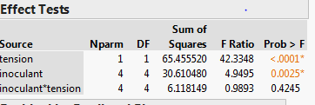

Axis 2 - REML |  |  |  |  |  |  |  |  | Axis 2 SLS

PCA on Covariances
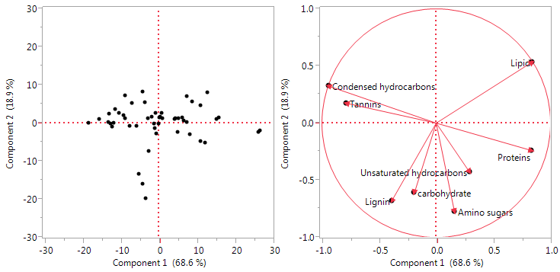
Eigenvectors |  |  |  | Loading matrix |  |  |  |  | tension | inoculant | N Rows | Mean(PC 1 (68.6%) covariance) | Mean(PC 2 (18.9%) covariance) | Std Err(PC 1 (68.6%) covariance) | Std Err(PC 2 (18.9%) covariance)
 |  |  |  |  |  |  |  |  | 15 mb | cellvibrio | 5 | -2.309523123 | 5.0925546171 | 3.0854643442 | 1.2124921649
 | Prin1 | Prin2 |  |  | Prin1 | Prin2 |  |  | 15 mb | control | 5 | -7.528951553 | 2.1416713843 | 4.334630613 | 1.3474857274
Lipid | 0.56478 | 0.68427 |  | Lipid | 0.83909 | 0.53427 |  |  | 15 mb | pre | 5 | -6.929703261 | -4.190183675 | 2.2127858228 | 3.9916381006
Unsaturated hydrocarbons | 0.07013 | -0.19612 |  | Unsaturated hydrocarbons | 0.29055 | -0.42698 |  |  | 15 mb | Strepto | 5 | -11.6184305 | 2.1195480666 | 1.8827753885 | 1.3203682654
Proteins | 0.36419 | -0.1992 |  | Proteins | 0.83189 | -0.23913 |  |  | 15 mb | Tricho | 5 | -1.935717549 | 0.9681319329 | 3.5273650172 | 0.5433225767
Lignin | -0.10286 | -0.34176 |  | Lignin | -0.38951 | -0.68014 |  |  | 150 mb | cellvibrio | 5 | 14.771510789 | 1.6974545292 | 3.1668572893 | 2.0507478394
carbohydrate | -0.04207 | -0.25536 |  | carbohydrate | -0.19113 | -0.60964 |  |  | 150 mb | control | 5 | 6.5589480628 | 0.055524652 | 5.0647012822 | 0.8243256883
Amino sugars | 0.02456 | -0.22716 |  | Amino sugars | 0.15919 | -0.7739 |  |  | 150 mb | pre | 5 | 4.5856929731 | -6.097629234 | 3.5697439993 | 2.2009034428
Tannins | -0.17062 | 0.0718 |  | Tannins | -0.78565 | 0.17374 |  |  | 150 mb | Strepto | 5 | -0.16524058 | -2.554504053 | 1.5123237002 | 3.3977588027
Condensed hydrocarbons | -0.7081 | 0.46354 |  | Condensed hydrocarbons | -0.94104 | 0.32375 |  |  | 150 mb | Tricho | 5 | 4.5714147448 | 0.7674317795 | 3.1124286199 | 0.8220527921

Correlations
 | Lipid | Unsaturated hydrocarbons | Proteins | Lignin | carbohydrate | Amino sugars | Tannins | Condensed hydrocarbons
Lipid | 1 | 0.0316 | 0.5252 | -0.6523 | -0.4506 | -0.2825 | -0.5814 | -0.6237
Unsaturated hydrocarbons | 0.0316 | 1 | 0.1145 | -0.0087 | 0.2416 | 0.3758 | -0.4675 | -0.4253
Proteins | 0.5252 | 0.1145 | 1 | -0.2309 | -0.1996 | 0.2992 | -0.6564 | -0.8207
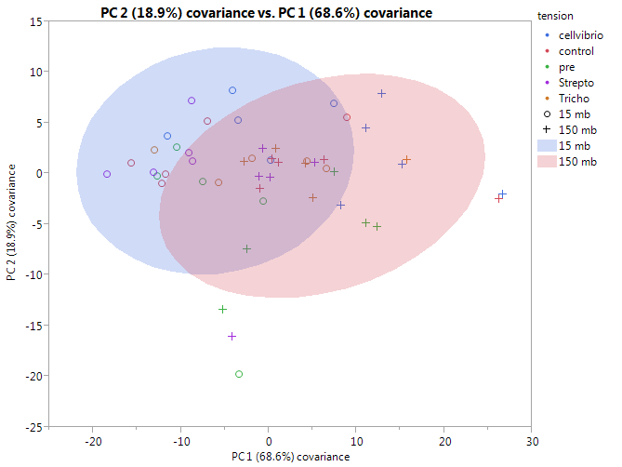
Lignin | -0.6523 | -0.0087 | -0.2309 | 1 | 0.3774 | 0.4011 | 0.162 | 0.1303
carbohydrate | -0.4506 | 0.2416 | -0.1996 | 0.3774 | 1 | 0.3258 | -0.004 | -0.0489
Amino sugars | -0.2825 | 0.3758 | 0.2992 | 0.4011 | 0.3258 | 1 | -0.2975 | -0.3971 |  | Statistical Effects Test
Tannins | -0.5814 | -0.4675 | -0.6564 | 0.162 | -0.004 | -0.2975 | 1 | 0.7686
Condensed hydrocarbons | -0.6237 | -0.4253 | -0.8207 | 0.1303 | -0.0489 | -0.3971 | 0.7686 | 1 |  | SLSPC1
 |  |  |  |  |  |  |  |  |  | Source | Nparm | DF | Sum of Squares | F Ratio | Prob > F
Covariance Matrix |  |  |  |  |  |  |  |  |  | tension | 1 | 1 | 1838.8869 | 33.5593 | <.0001
 | Lipid | Unsaturated hydrocarbons | Proteins | Lignin | carbohydrate | Amino sugars | Tannins | Condensed hydrocarbons |  | inoculant | 4 | 4 | 768.8456 | 3.5078 | 0.0151
Lipid | 45.78118 | 0.51805 | 15.6375 | -11.71678 | -6.74738 | -2.96412 | -8.588 | -31.92044 |  | inoculant*tension | 4 | 4 | 151.9964 | 0.6935 | 0.6009
Unsaturated hydrocarbons | 0.51805 | 5.88818 | 1.22223 | -0.05597 | 1.29714 | 1.41392 | -2.47663 | -7.80691
Proteins | 15.6375 | 1.22223 | 19.36667 | -2.69767 | -1.94414 | 2.04209 | -6.30621 | -27.32046 |  | REML PC1
Lignin | -11.71678 | -0.05597 | -2.69767 | 7.04708 | 2.21719 | 1.65103 | 0.9388 | 2.61632 |  | Fixed Effect Tests
carbohydrate | -6.74738 | 1.29714 | -1.94414 | 2.21719 | 4.89691 | 1.11805 | -0.01922 | -0.81854
Amino sugars | -2.96412 | 1.41392 | 2.04209 | 1.65103 | 1.11805 | 2.40465 | -1.0072 | -4.65842 |  | Source | Nparm | DF | DFDen | F Ratio | Prob > F
Tannins | -8.588 | -2.47663 | -6.30621 | 0.9388 | -0.01922 | -1.0072 | 4.76614 | 12.69232 |  | tension | 1 | 1 | 36 | 38.2949 | <.0001
Condensed hydrocarbons | -31.92044 | -7.80691 | -27.32046 | 2.61632 | -0.81854 | -4.65842 | 12.69232 | 57.21614 |  | inoculant | 4 | 4 | 36 | 4.0028 | 0.0087
 |  |  |  |  |  |  |  |  |  | inoculant*tension | 4 | 4 | 36 | 0.7913 | 0.5385

 |  |  |  |  |  |  |  |  |  | Random Effect | Var Ratio | Var Component | Std Error | 95% Lower | 95% Upper | Pct of Total
 |  |  |  |  |  |  |  |  |  | Core | 0.1411119 | 6.7760642 | 8.264728 | -9.422505 | 22.974633 | 12.366
 |  |  |  |  |  |  |  |  |  | Residual |  | 48.019072 | 11.318204 | 31.755557 | 81.022506 | 87.634
 |  |  |  |  |  |  |  |  |  | Total |  | 54.795136 | 13.068555 | 36.078072 | 93.108582 | 100

 |  |  |  |  |  |  |  |  |  | SLS PC2
 |  |  |  |  |  |  |  |  |  | Source | Nparm | DF | Sum of Squares | F Ratio | Prob > F
 |  |  |  |  |  |  |  |  |  | tension | 1 | 1 | 75.19604 | 3.4807 | 0.0694
 |  |  |  |  |  |  |  |  |  | inoculant | 4 | 4 | 399.93089 | 4.6281 | 0.0036
 |  |  |  |  |  |  |  |  |  | inoculant*tension | 4 | 4 | 28.31423 | 0.3277 | 0.8577
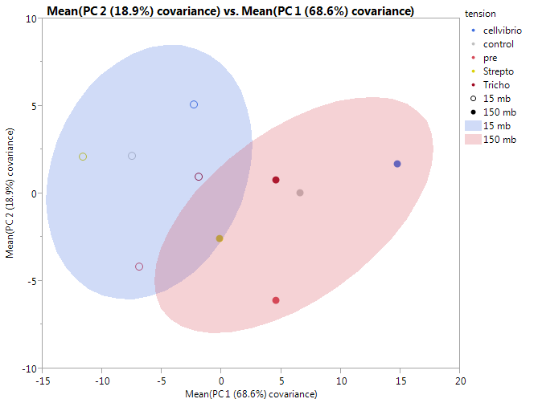
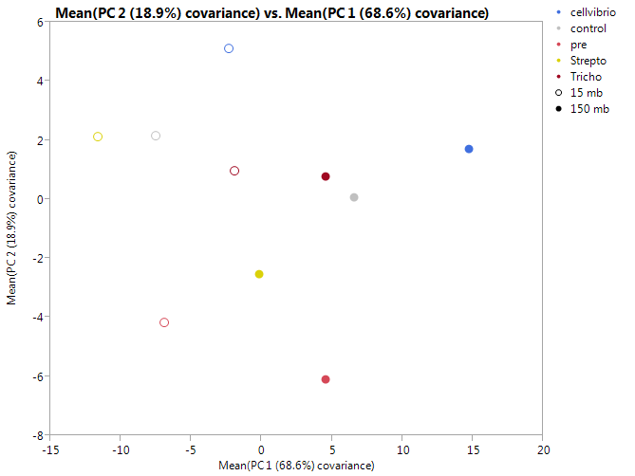
 |  |  |  |  |  |  |  |  |  | REML PC2

 |  |  |  |  |  |  |  |  |  | Source | Nparm | DF | DFDen | F Ratio | Prob > F
 |  |  |  |  |  |  |  |  |  | tension | 1 | 1 | 36 | 3.4885 | 0.07
 |  |  |  |  |  |  |  |  |  | inoculant | 4 | 4 | 36 | 4.6384 | 0.004
 |  |  |  |  |  |  |  |  |  | inoculant*tension | 4 | 4 | 36 | 0.3284 | 0.8571
 |  |  |  |  |  |  |  |  |  | Random Effect | Var Ratio | Var Component | Std Error | 95% Lower | 95% Upper | Pct of Total
 |  |  |  |  |  |  |  |  |  | Core | 0.0022257 | 0.0479765 | 1.6388798 | -3.164169 | 3.2601218 | 0.222
 |  |  |  |  |  |  |  |  |  | Residual |  | 21.55562 | 5.0807083 | 14.254976 | 36.370764 | 99.778
 |  |  |  |  |  |  |  |  |  | Total |  | 21.603596 | 4.8308182 | 14.562052 | 35.368276 | 100

